Inquiry
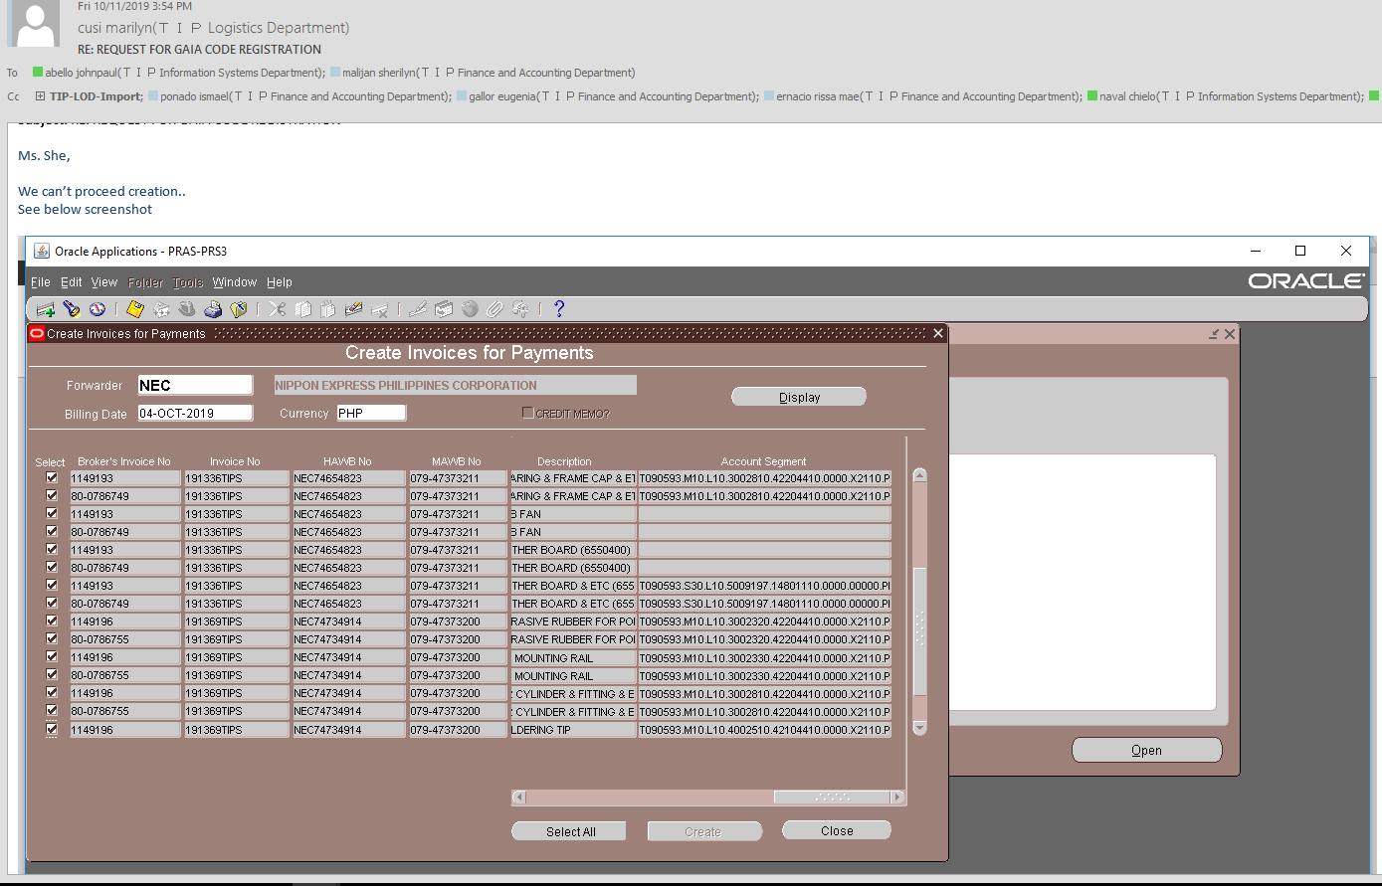

Checking
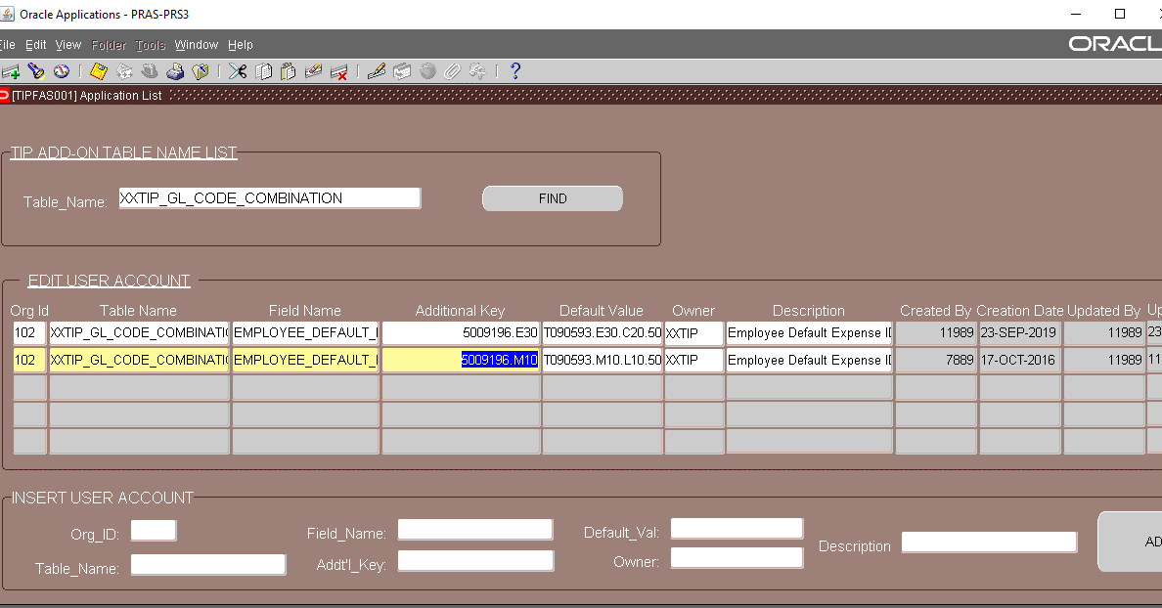
Invoice No | Transaction Date | Broker | Import Permit No | Vendor | Origin | Port Of Loading | Description | AWB Qty | PL Qty | UOM | Qty in Kgs | Shipping Line | Flight No | BL Date | Day | ETD | ETA NAIA <Date> | ETA NAIA <Hour> | ATA TIP <Hour> | Leadtime NAIA-TIP | MAWB No | HAWB No | EDC No | Return Date | RDD @TIP | Delivery Instruction | Approximate Time of Del'y | Actual Delivery Date | Place of Delivery | Delivery Status | Remarks | Class | No Of Delivery Days | Shipment Terms | Shipment Mode | Invoice Amount | With Forex? | IP Fee | CBM | 1 x 20' | 1 x 40' | Upload Remarks | CC Code | Account Segment | Zone
191336TIPS | 19-Sep-19 | NEC | LTP106810119E | NIDEC MACHINERY CORPORATION | JAPAN | OSAKA | PIN | 2 PLTS | 10 | PCS | 697 | PR | PR421 | 18-Sep-19 |  | 18-Sep-19 | 19-Sep-19 | 18:40:00 |  |  | 079-47373211 | NEC74654823 | T-473013 |  | 20-Sep-19 | BACKDOOR | 3-6 AM |  | BLDG 1 |  |  | B |  | FOB | AIR | 8.263197876 | Y | 0 |  |  |  |  | 3002310 | T090593.M10.L10.3002310.42204410.0000.X2110.PHL.0000000.000000.0000 | MAIN
191336TIPS | 19-Sep-19 | NEC | LTP106810119E | NIDEC MACHINERY CORPORATION | JAPAN | OSAKA | PRINTER HEAD & SPRING & ETC | 0 | 122 | PCS | 0 | PR | PR421 | 18-Sep-19 |  | 18-Sep-19 | 19-Sep-19 | 18:40:00 |  |  | 079-47373211 | NEC74654823 | T-473013 |  | 20-Sep-19 | BACKDOOR | 3-6 AM |  | BLDG 1 |  |  | B |  | FOB | AIR | 3692.147051 | Y | 0 |  |  |  |  | 3002320 | T090593.M10.L10.3002320.42204410.0000.X2110.PHL.0000000.000000.0000 | MAIN
191336TIPS | 19-Sep-19 | NEC | LTP106810119E | NIDEC MACHINERY CORPORATION | JAPAN | OSAKA | ID AMPLIFIER | 0 | 2 | PCS | 0 | PR | PR421 | 18-Sep-19 |  | 18-Sep-19 | 19-Sep-19 | 18:40:00 |  |  | 079-47373211 | NEC74654823 | T-473013 |  | 20-Sep-19 | BACKDOOR | 3-6 AM |  | BLDG 1 |  |  | B |  | FOB | AIR | 800.7789942 | Y | 0 |  |  |  |  | 3002340 | T090593.M10.L10.3002340.42204410.0000.X2110.PHL.0000000.000000.0000 | MAIN
191336TIPS | 19-Sep-19 | NEC | LTP106810119E | NIDEC MACHINERY CORPORATION | JAPAN | OSAKA | MOTHER BOARD & ETC (6550369 & 6550397) | 0 | 46 | PCS | 0 | PR | PR421 | 18-Sep-19 |  | 18-Sep-19 | 19-Sep-19 | 18:40:00 |  |  | 079-47373211 | NEC74654823 | T-473013 |  | 20-Sep-19 | BACKDOOR | 3-6 AM |  | BLDG 1 |  |  | C |  | FOB | AIR | 2497.269858 | Y | 0 |  |  |  |  | 5009197 | T090593.S30.L10.5009197.14801110.0000.00000.PHL.0000000.000000.0000 | MAIN
191336TIPS | 19-Sep-19 | NEC | LTP106810119E | NIDEC MACHINERY CORPORATION | JAPAN | OSAKA | BEARING & FRAME CAP & ETC | 0 | 2781 | PCS | 0 | PR | PR421 | 18-Sep-19 |  | 18-Sep-19 | 19-Sep-19 | 18:40:00 |  |  | 079-47373211 | NEC74654823 | T-473013 |  | 20-Sep-19 | BACKDOOR | 3-6 AM |  | BLDG 1 |  |  | B |  | FOB | AIR | 12271.90053 | Y | 0 |  |  |  |  | 3002810 | T090593.M10.L10.3002810.42204410.0000.X2110.PHL.0000000.000000.0000 | MAIN
191336TIPS | 19-Sep-19 | NEC | LTP106810119E | NIDEC MACHINERY CORPORATION | JAPAN | OSAKA | USB FAN | 0 | 8 | PCS | 0 | PR | PR421 | 18-Sep-19 |  | 18-Sep-19 | 19-Sep-19 | 18:40:00 |  |  | 079-47373211 | NEC74654823 | T-473013 |  | 20-Sep-19 | BACKDOOR | 3-6 AM |  | BLDG 1 |  |  | B |  | FOB | AIR | 88.64157722 | Y | 0 |  |  |  |  | 5009196 |  | MAIN
191336TIPS | 19-Sep-19 | NEC | LTP106810119E | NIDEC MACHINERY CORPORATION | JAPAN | OSAKA | MOTHER BOARD (6550400) | 0 | 12 | PCS | 0 | PR | PR421 | 18-Sep-19 |  | 18-Sep-19 | 19-Sep-19 | 18:40:00 |  |  | 079-47373211 | NEC74654823 | T-473013 |  | 20-Sep-19 | BACKDOOR | 3-6 AM |  | BLDG 1 |  |  | C |  | FOB | AIR | 1757.807548 | Y | 0 |  |  |  |  | 5009196 |  | MAIN
191336TIPS | 19-Sep-19 | NEC | LTP106810119E | NIDEC MACHINERY CORPORATION | JAPAN | OSAKA | FITTING (6544410) | 0 | 20 | PCS | 0 | PR | PR421 | 18-Sep-19 |  | 18-Sep-19 | 19-Sep-19 | 18:40:00 |  |  | 079-47373211 | NEC74654823 | T-473013 |  | 20-Sep-19 | BACKDOOR | 3-6 AM |  | BLDG 1 |  |  | C |  | FOB | AIR | 5.258398649 | Y | 0 |  |  |  |  | 3002810 | T090593.M10.L10.3002810.14801110.0000.00000.PHL.0000000.000000.0000 | MAIN
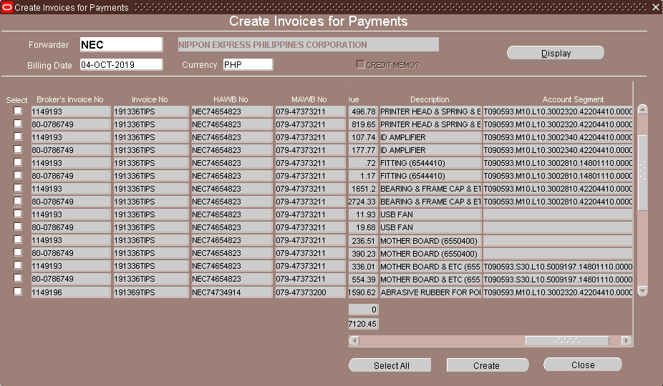
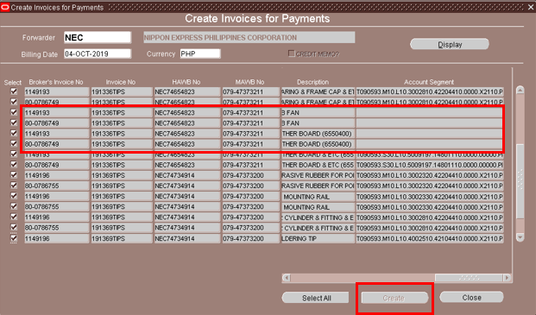

User cannot proceed with create invoice due to disabled create button.

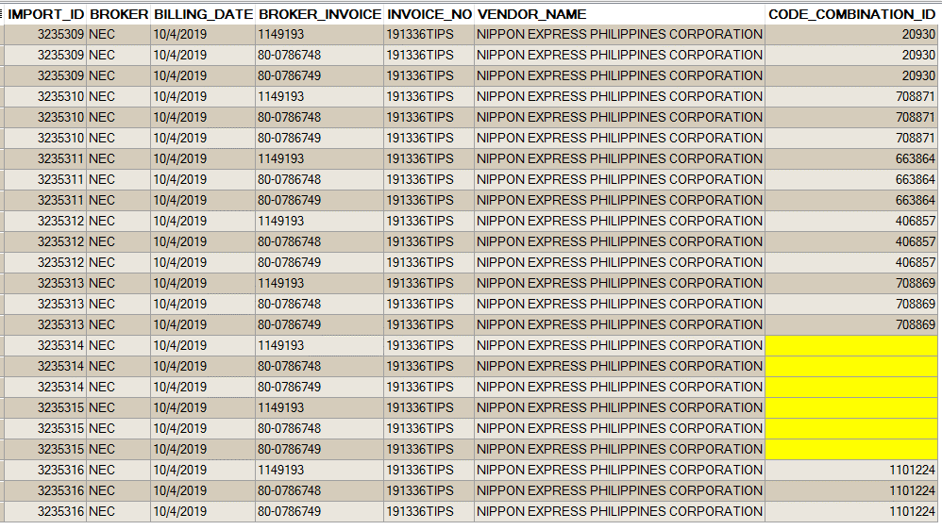

It is not allowed to create if account segments / code combination id is null

IMPFT002 |  |  |  | IMPFT010
Update Shipping Advise and Billing Info |  |  |  | Create Invoices for Payments

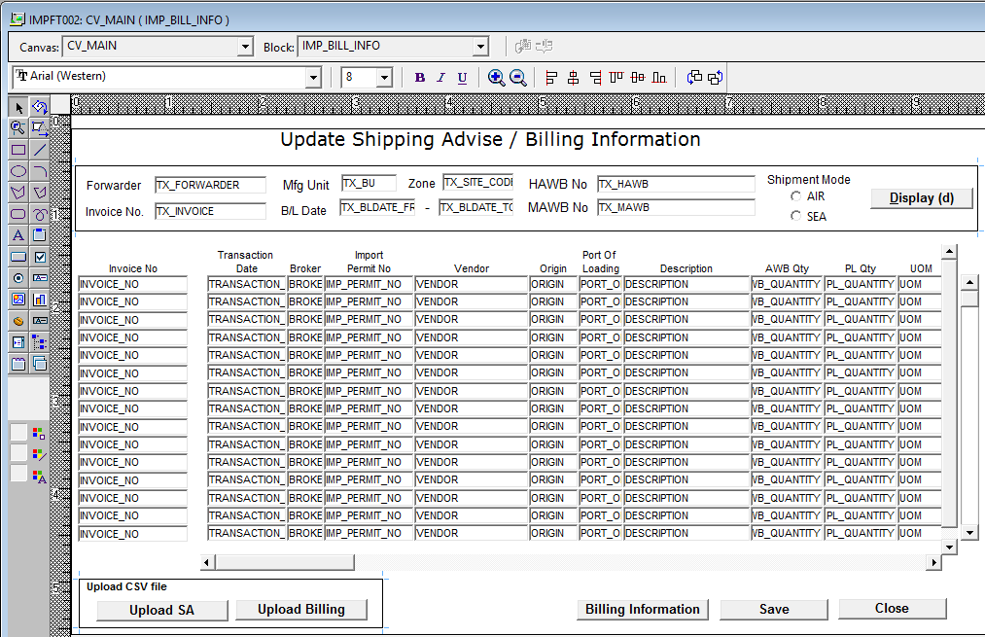

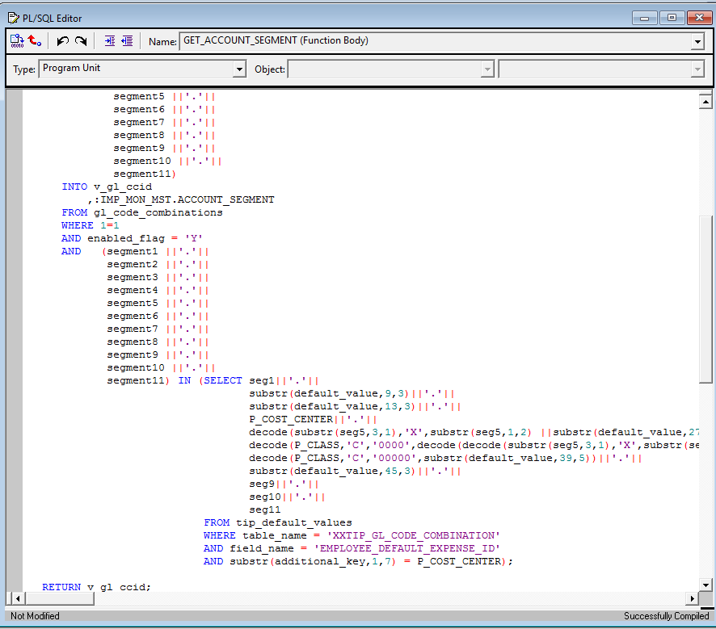

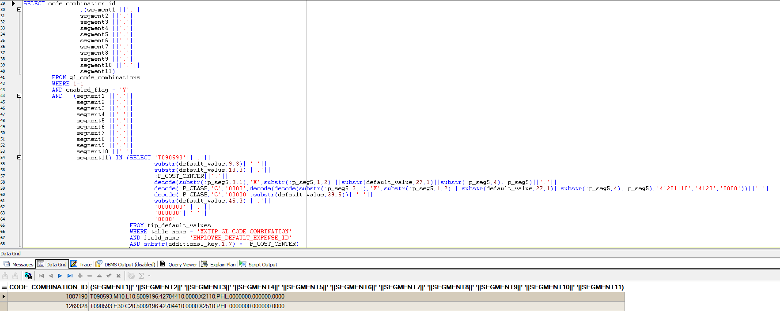

Upon checking of program. Null was inserted due to duplicate set up in TIP_DEFAULT_VALUES: Error: Exact fetch more than requested rows

